Sheet2
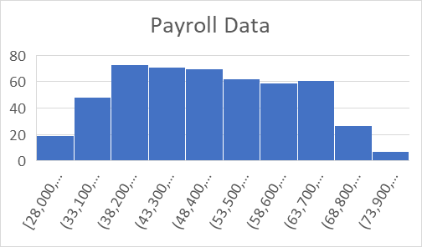
CHARTS OF EMPLOYEE'S DATA

